Risk profile - example
# | Key inputs | Outputs
Step 1 | 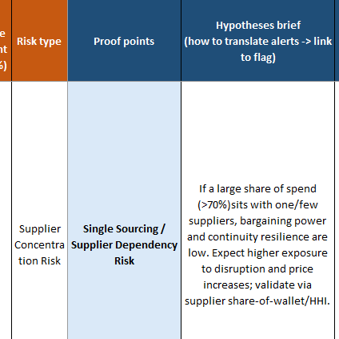 | Insights: Supplier base: 87 vendors; Top-1 share 8.6%; HHI ≈ 344 → fragmented. Leverage via bundled bids and two-tiering is feasible. Actions: Set minimum 2 qualified suppliers per critical SKU/region; design dual-source splits (60/40) with quarterly price review and volume swing clauses.
Step 2 | 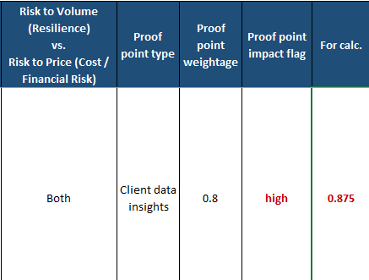 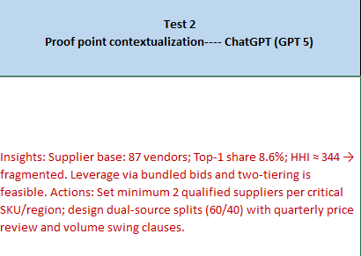 | - Impact flag for each proof point -> high/medium/low - Flag is converted into an intermediate number for each proof point
Step 3 | 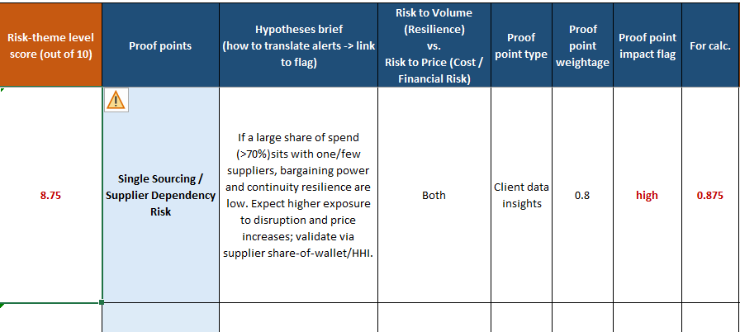 | Calculate 'risk theme' level scores based on proo point weightages
Step 4 | 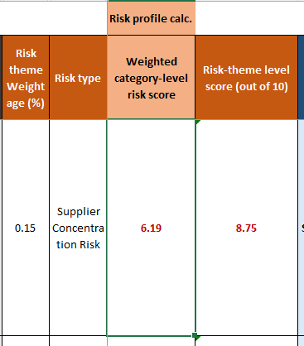 | Calculate category level risk score based on 'Risk them' weightages
Step 5 |  | Contextualize overall risk mitigation initiative Why: Around 70% of vegetable oil spend is concentrated with the top three suppliers—SHIVAGANGA, SIDDAGANGA, and SAKLECHA—posing significant supply risk beyond industry best practice limits. What: Diversify the supplier base by developing secondary and backup suppliers to reduce overreliance and enhance sourcing flexibility. How: Qualify and integrate mid-tier suppliers like M/S ABHAY SOLVENTS and UNIVERSAL AGRO FOOD INDUSTRIES to build resilience and drive competitive tension. Rebalance spend across primary and secondary tiers to align with industry benchmarks. Position the procurement function for long-term stability by embedding supplier diversification into risk management and continuity planning frameworks.

